Sheet 4
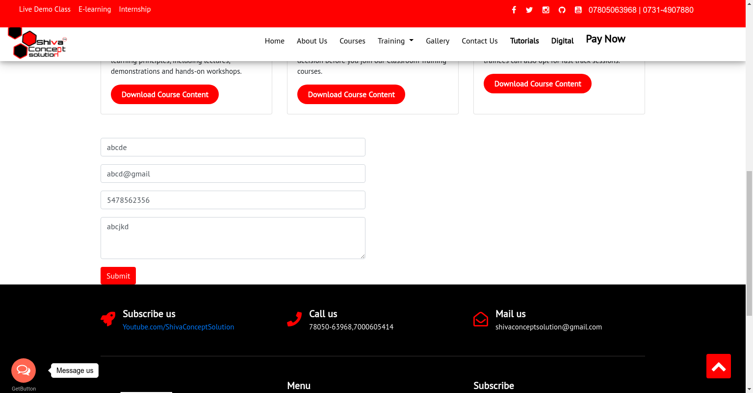
Category | Label | Value
Bug ID | ID number | BG104
 | Project | Shiva Concept Solution
 | Name | Wrong Email Format In The Form
 | Reporter | Shikha Vishwakarma
 | Submit Date | 2021-08-11
Bug overview | Summary | The form is accepting wrong format email also. abc@gmail was entered for sign up and it was accepted.
 | URL | https://shivaconceptsolution.com/
 | Screenshot | Provided below
 | Defect/Enhancement: | Defect
Environment | Platform | Linux
 | Operating System | Linux
 | Browser | Chrome, Firefox
Bug details | Steps to reproduce | https://shivaconceptsolution.com/ -> Classroom Training ->https://www.shivaconceptsolution.com/classroom.php
 | Expected result | Invalid email format message should be thrown
 | Actual result | Not As per expected
Bug tracking | Assigned to | Shiva sir
 | Severity | Major
 | Priority | High

Sheet 5

Category | Label | Value
Bug ID | ID number | BG105
 | Project | Shiva Concept Solution
 | Name | "Classroom training" page layout
 | Reporter | Shikha Vishwakarma
 | Submit Date | 2021-08-11
Bug overview | Summary | Respective titles are not present on the page for seperate courses. Also, download course content button in 3rd block is not alligned. Button is placed above in the block as compared to other ones.
 | URL | https://shivaconceptsolution.com/
 | Screenshot | Provided below
 | Defect/Enhancement: | Defect
Environment | Platform | Linux
 | Operating System | Linux
 | Browser | Chrome, Firefox
Bug details | Steps to reproduce | https://shivaconceptsolution.com/ -> Classroom Training ->https://www.shivaconceptsolution.com/classroom.php
 | Expected result | Tiles hsould be there and all the buttons should be proeprly alligned.
 | Actual result | Not As per expected
Bug tracking | Assigned to | Shiva sir
 | Severity | Major
 | Priority | High

Sheet 6

Category | Label | Value
Bug ID | ID number | BG106
 | Project | Shiva Concept Solution
 | Name | Contact Us page
 | Reporter | Shikha Vishwakarma
 | Submit Date | 2021-08-12
Bug overview | Summary | Phone number is not there with the phone icon. "concept.solution" is written over there.
 | URL | https://shivaconceptsolution.com/
 | Screenshot
 | Defect/Enhancement: | Defect
Environment | Platform | Linux
 | Operating System | Linux
 | Browser | Chrome, Firefox
Bug details | Steps to reproduce | https://shivaconceptsolution.com/ -> https://shivaconceptsolution.com/contactus.php
 | Expected result | Phone number should be there below the "phone" icon.
 | Actual result | Not As per expected
Bug tracking | Assigned to | Shiva sir
 | Severity | Major
 | Priority | High

Sheet 7
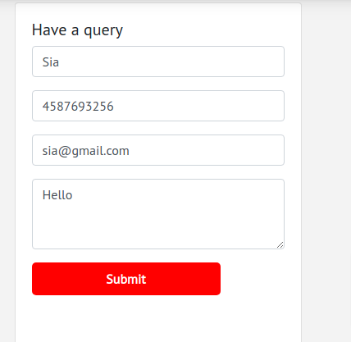
Category | Label | Value
Bug ID | ID number | BG107
 | Project | Shiva Concept Solution
 | Name | "Have a query" Section
 | Reporter | Shikha Vishwakarma
 | Submit Date | 2021-08-12
Bug overview | Summary | Submitt button is not working after filling details in the form.
 | URL | https://shivaconceptsolution.com/
 | Screenshot | Provided below
 | Defect/Enhancement: | Defect
Environment | Platform | Linux
 | Operating System | Linux
 | Browser | Chrome, Firefox
Bug details | Steps to reproduce | https://shivaconceptsolution.com/ -> "classroom training" -> https://shivaconceptsolution.com/live.php#
 | Expected result | Submit button should work.
 | Actual result | Not As per expected
Bug tracking | Assigned to | Shiva sir
 | Severity | Major
 | Priority | High

Sheet 9
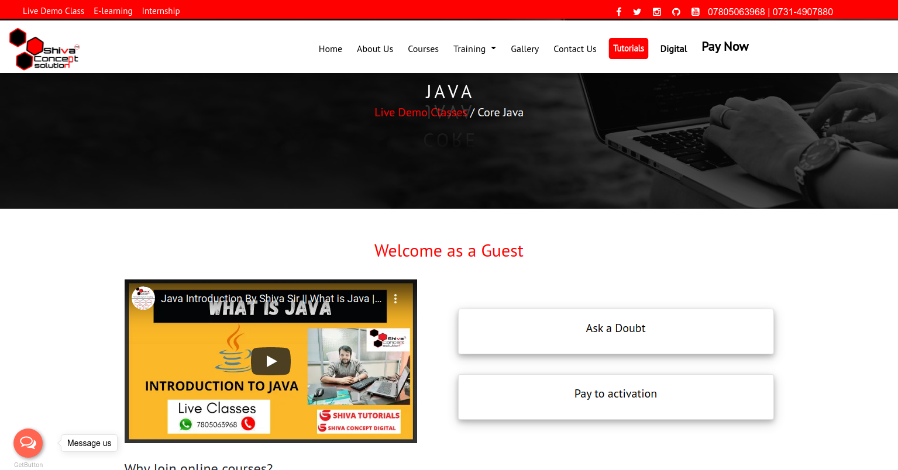
Category | Label | Value
Bug ID | ID number | BG109
 | Project | Shiva Concept Solution
 | Name | Ask a Doubt & Pay to activation buttons
 | Reporter | Shikha Vishwakarma
 | Submit Date | 2021-08-12
Bug overview | Summary | Ask a Doubt & Pay to activation buttons are not working.
 | URL | https://shivaconceptsolution.com/
 | Screenshot | Provided below
 | Defect/Enhancement: | Defect
Environment | Platform | Linux
 | Operating System | Linux
 | Browser | Chrome, Firefox
Bug details | Steps to reproduce | https://www.shivaconceptsolution.com/-> https://www.shivaconceptsolution.com/livedemo.php -> https://shivaconceptsolution.com/corejava.php
 | Expected result | It must navigate to relevant page or form.
 | Actual result | Not As per expected
Bug tracking | Assigned to | Shiva sir
 | Severity | Major
 | Priority | High

